1
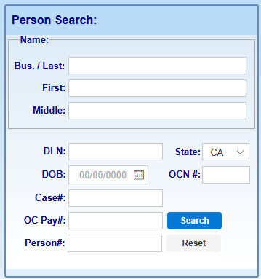
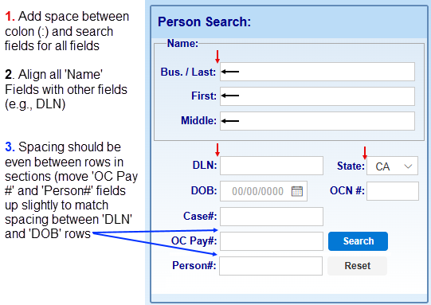
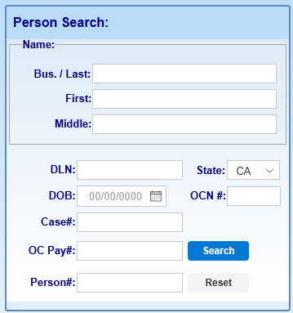
Current View | Expected View

6
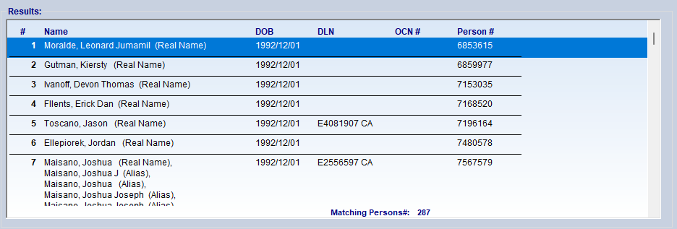
Current PB version has all fields (except for #) left justified column header and corresponding text

12
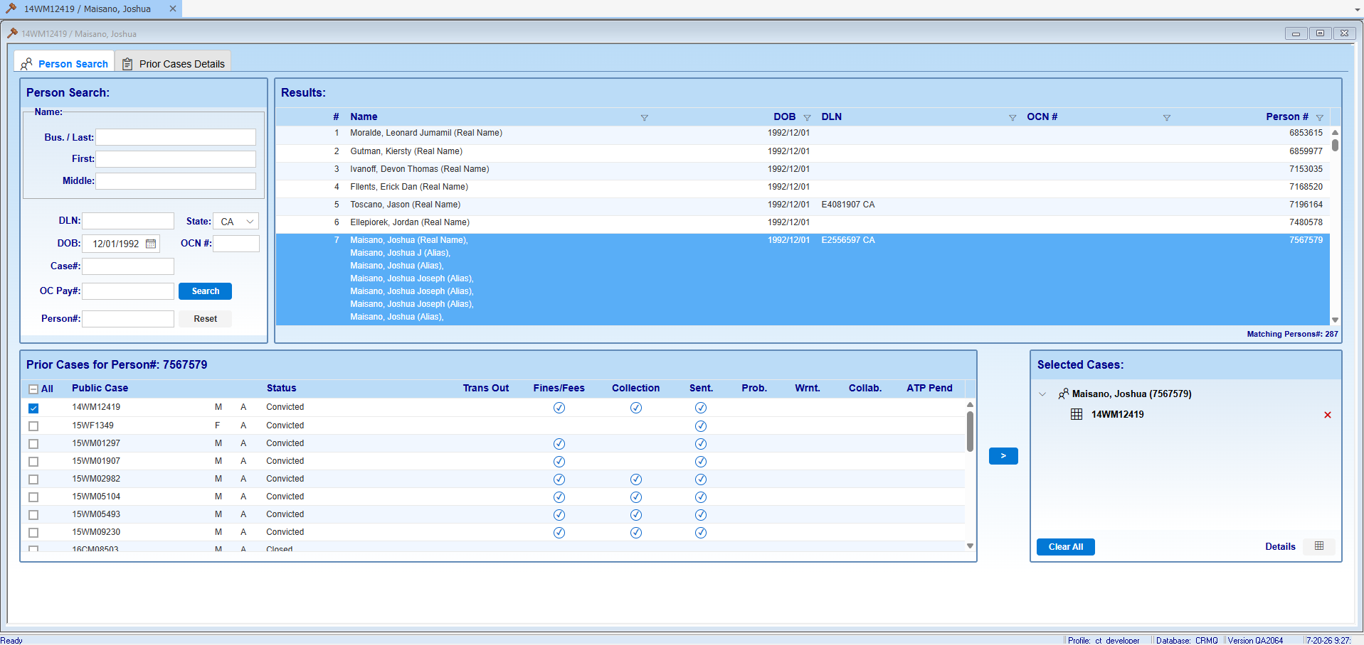
SCENARIO 1: window correctly opens as 'Priors'
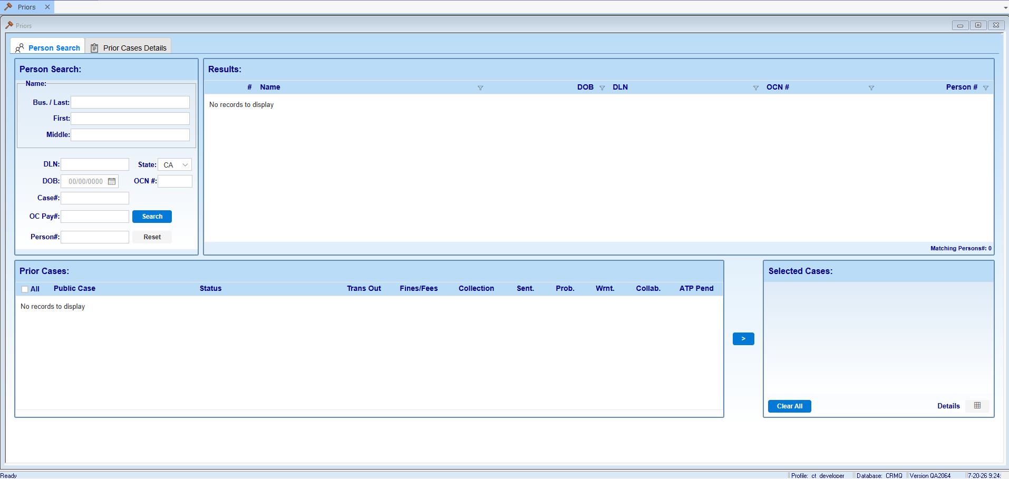

Window remains labeled as 'Priors' after initial search, select, and case moved to Selected Cases
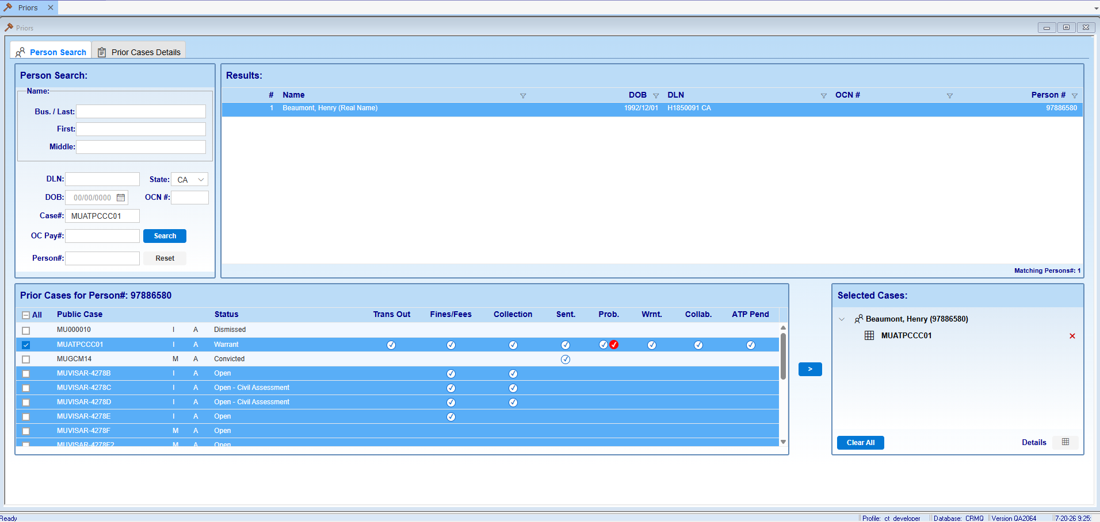

After selecting Details button OR Prior Cases Details tab, window name updates to PUBLIC_CASE/Last Name, First Name
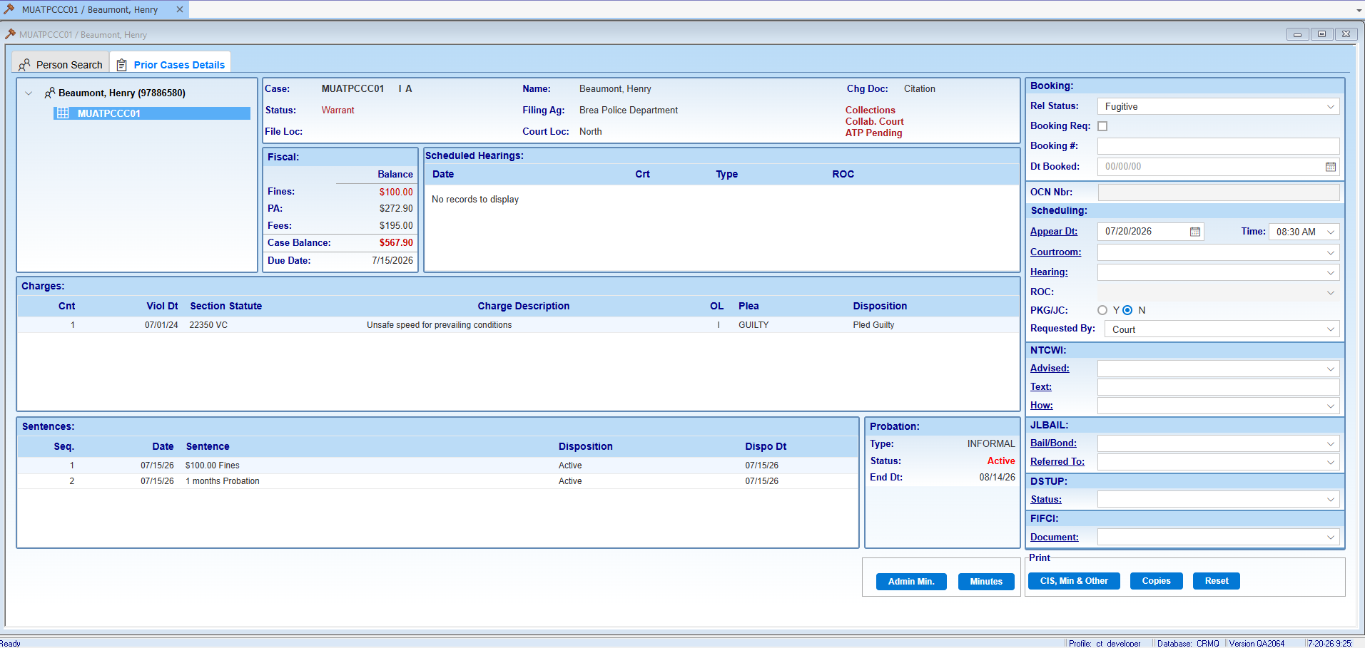

Returning to Person Search tab retains incorrect window name
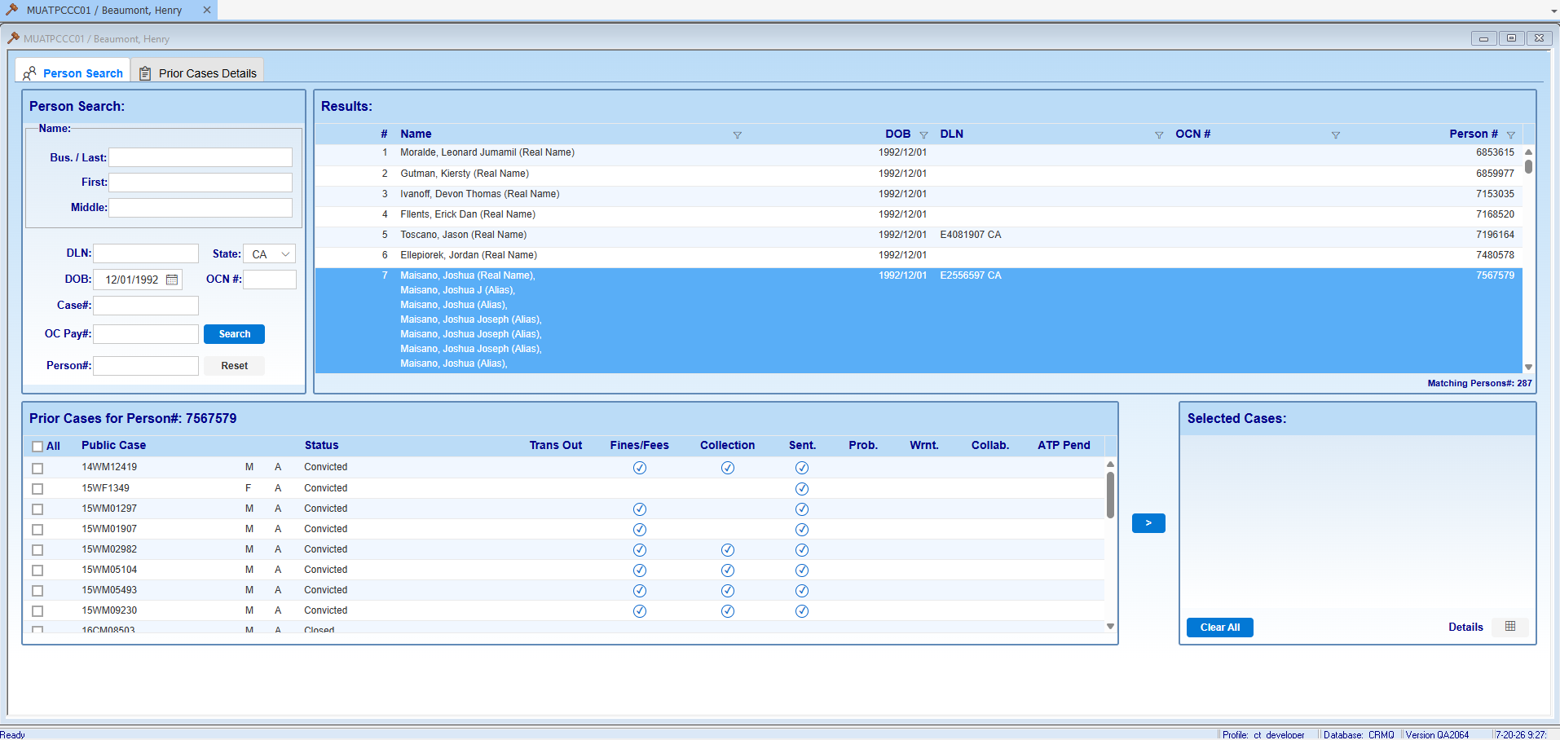

SCENARIO 2: After clearing Selected Cases and Results, incorrect name still displays; after new search executed and arrow (>) button is used to move case, window name gets updated again

15
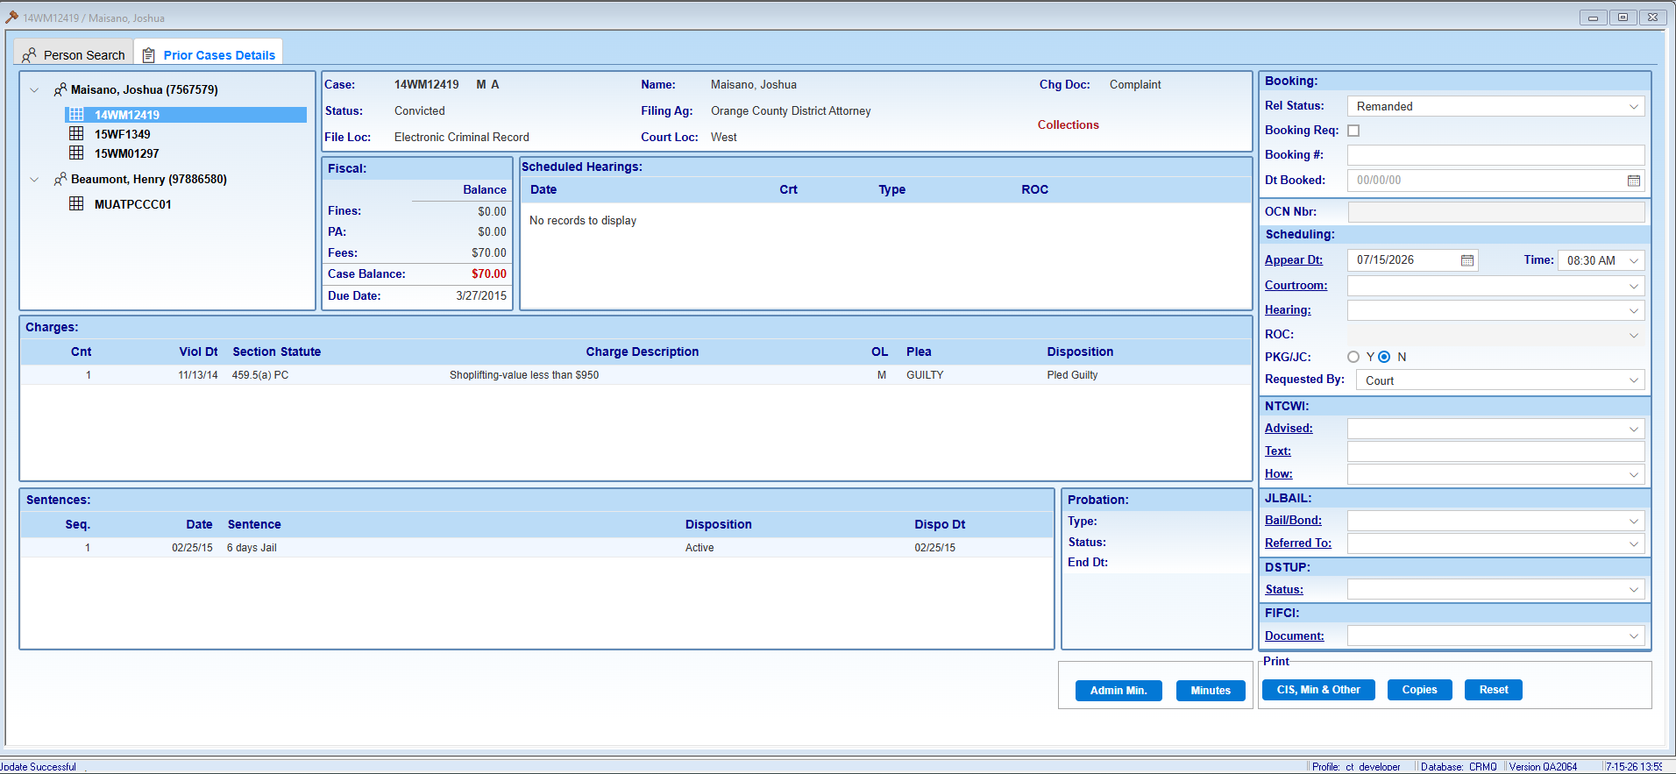
Request to update to use 'user' icon
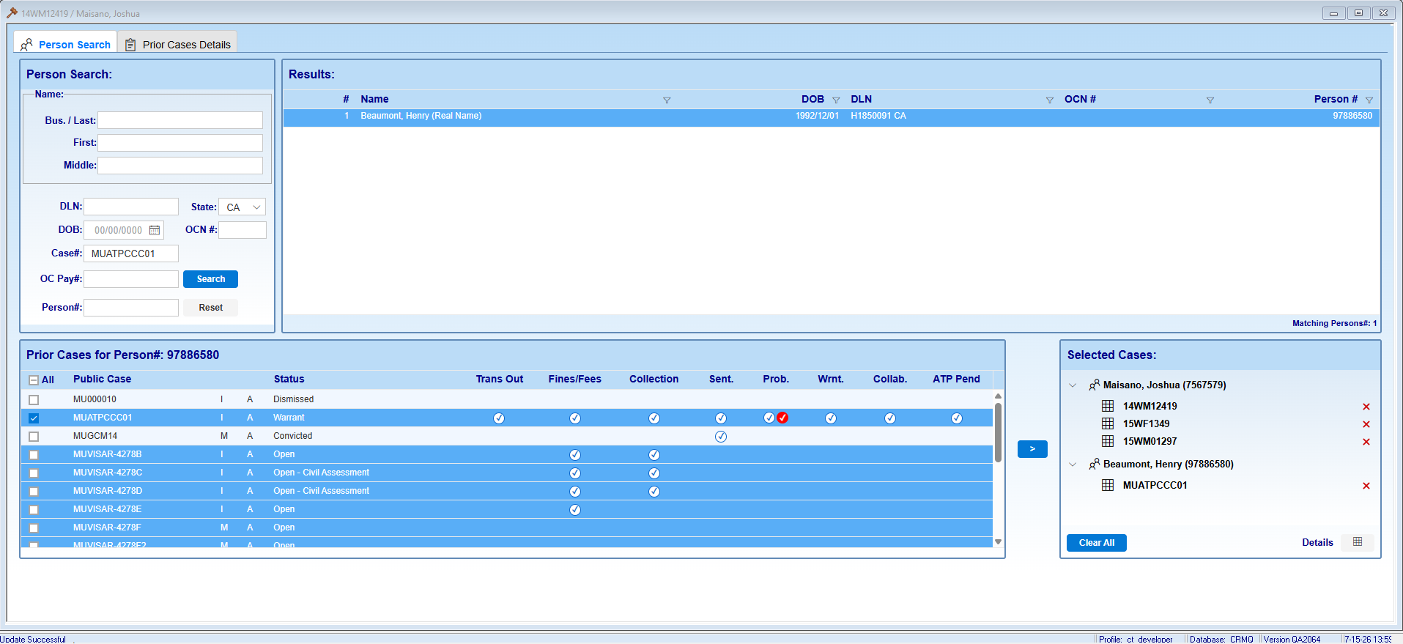

Appears to be using 'people' icon

16
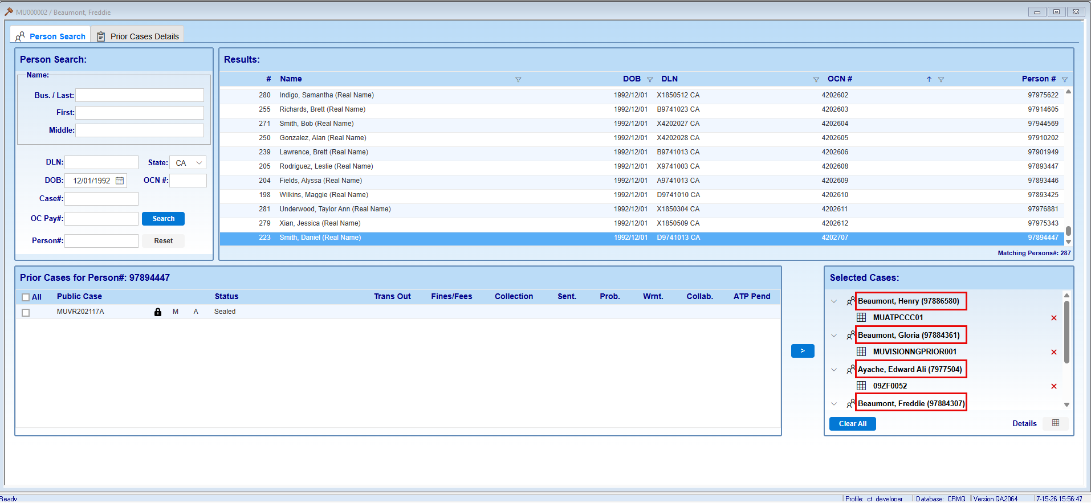
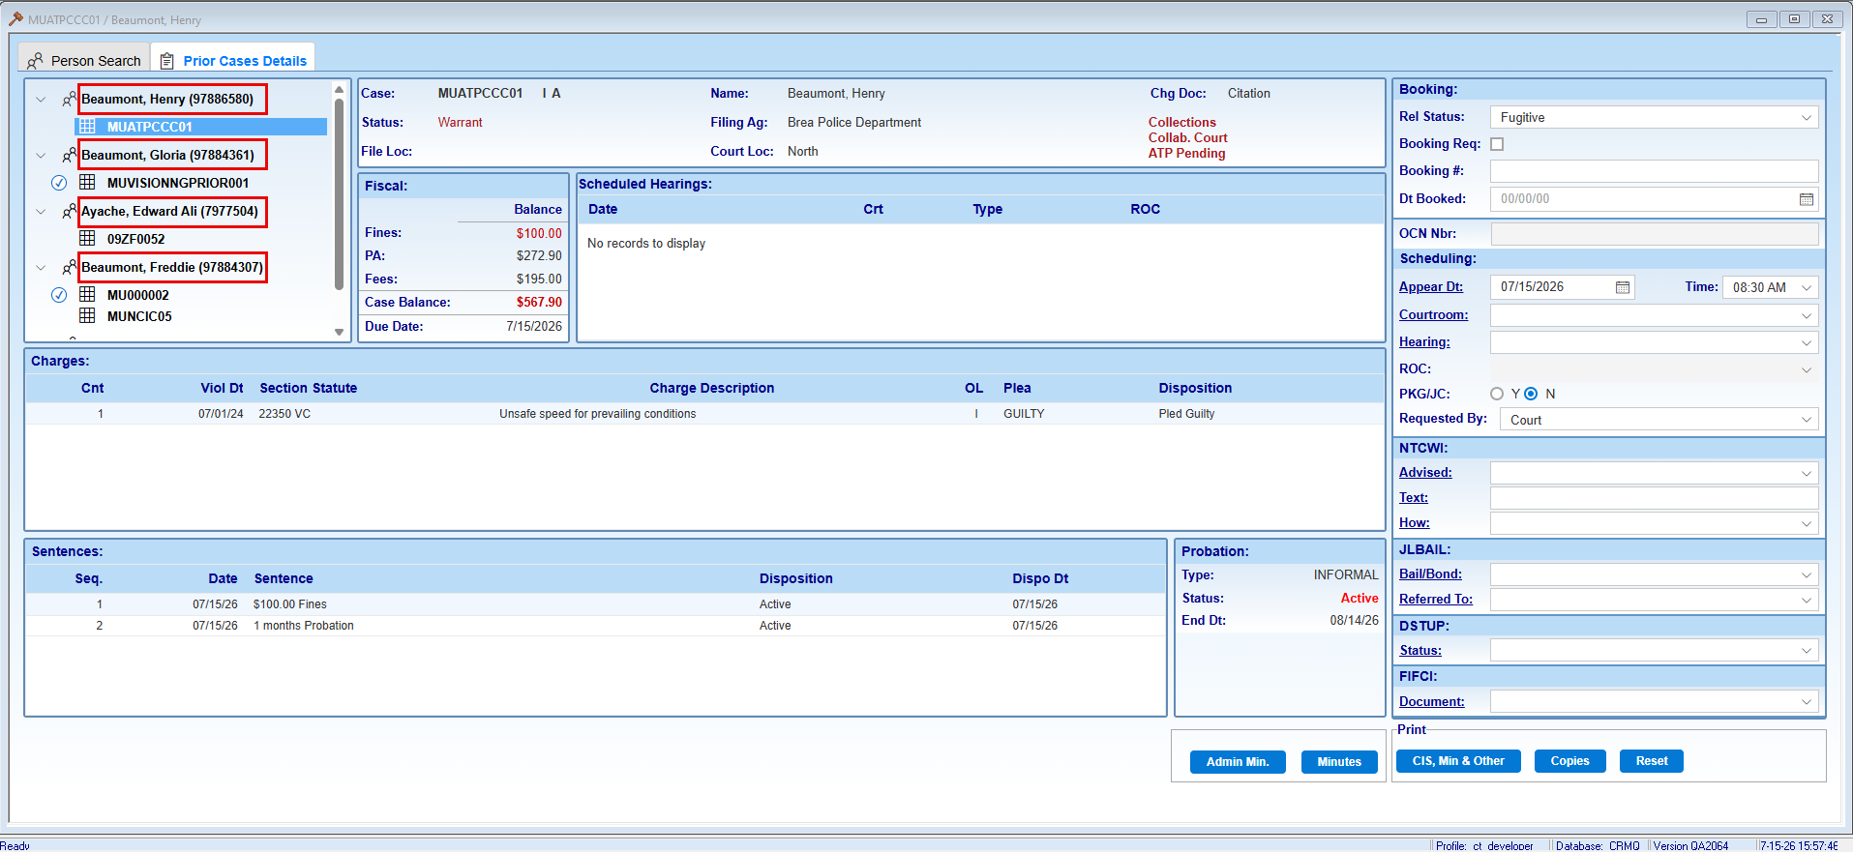

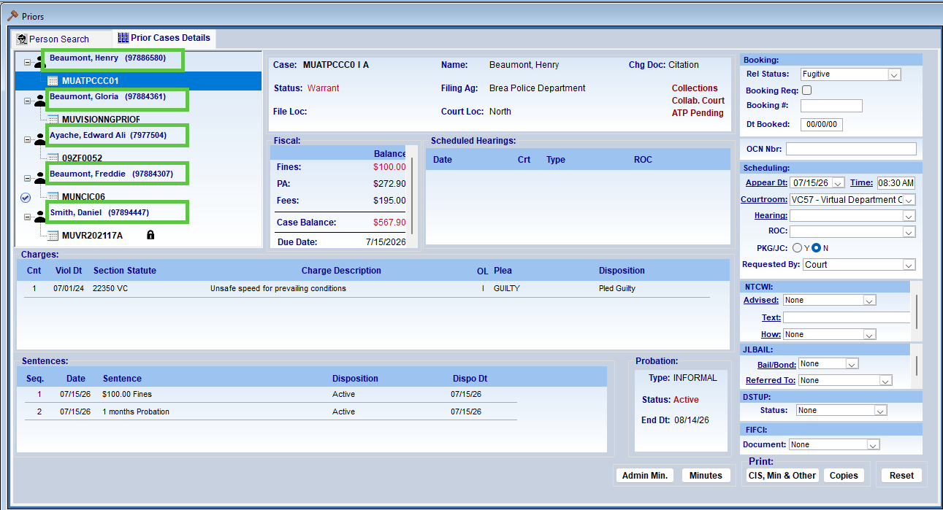

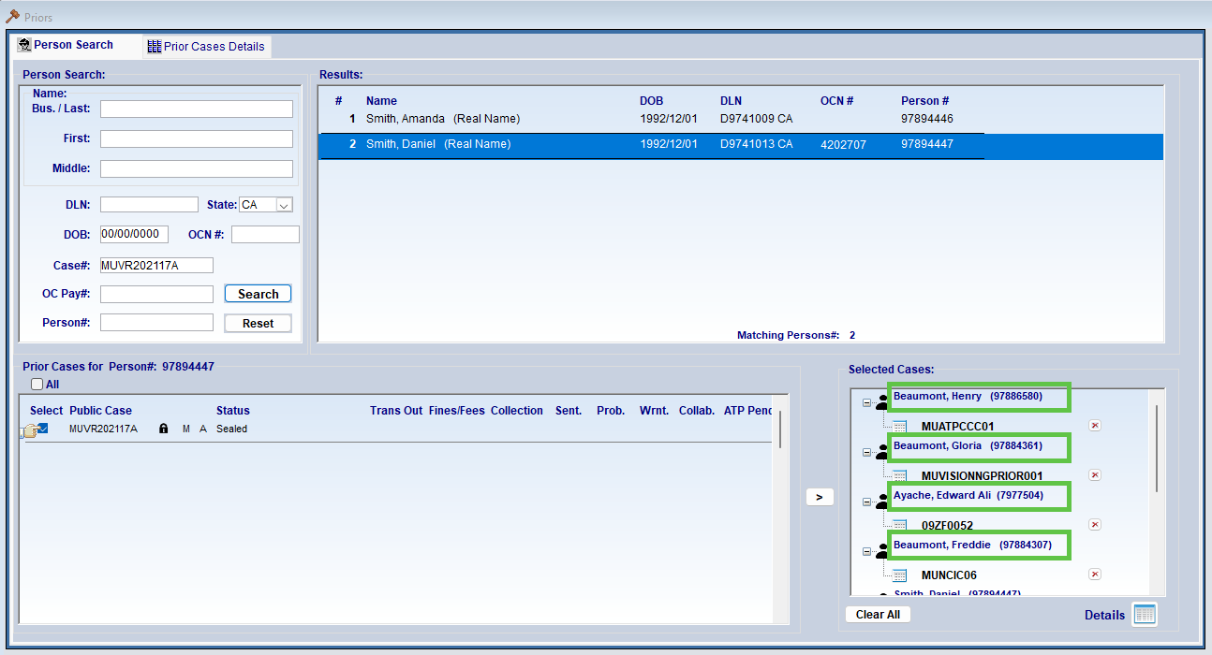

17
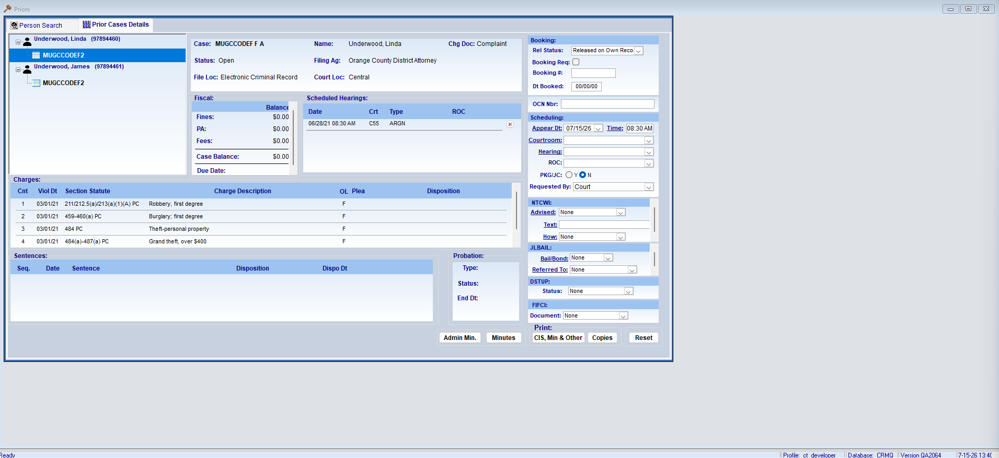
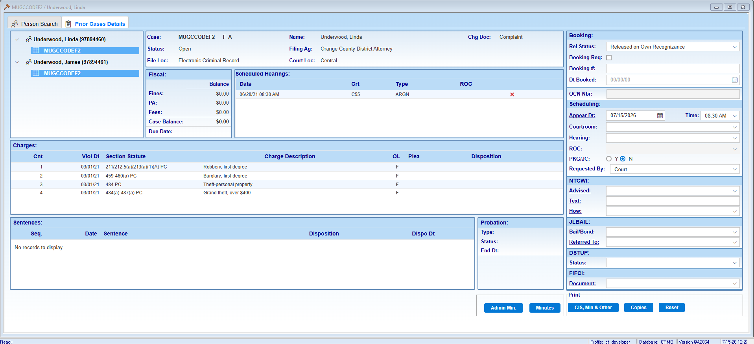
MUGCCODEF2 - Underwood, Linda should be the only one selected as that is the case in view
MUGCCODEF2 - Underwood, James should not be highlighted in display; highlight should display when user selects case number for this defendant

32
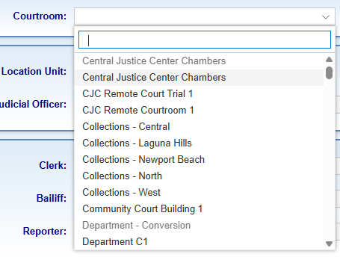
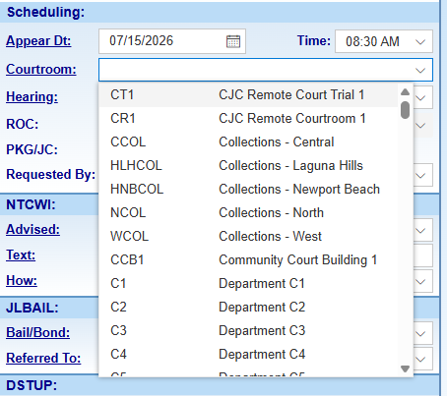

35
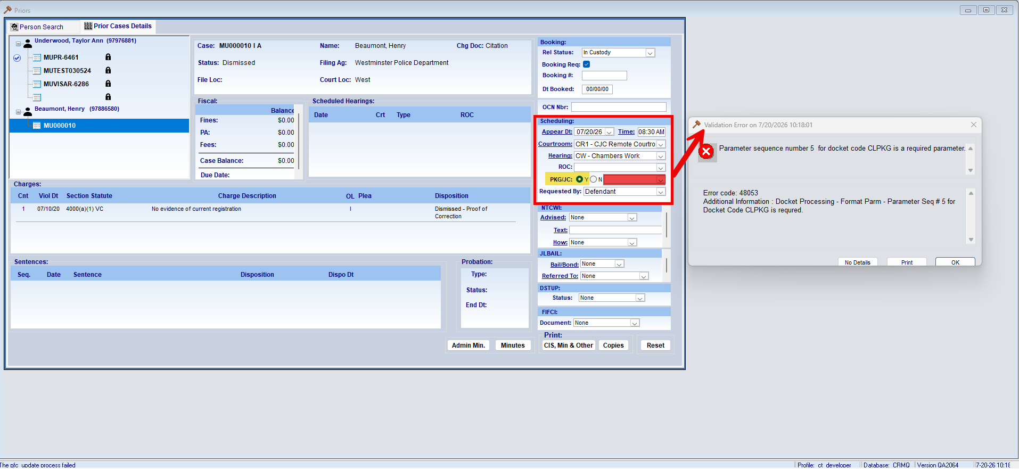

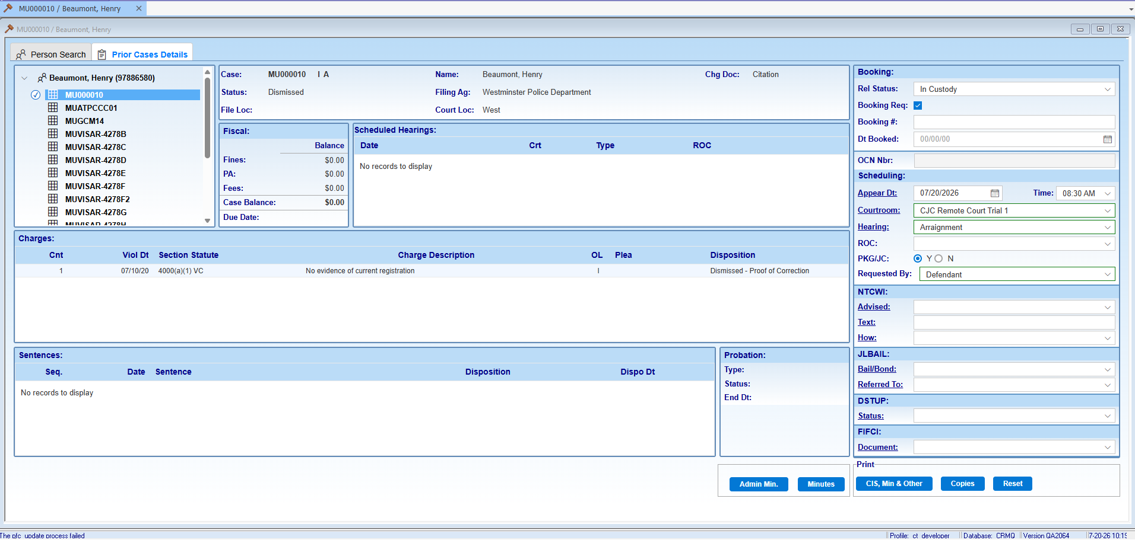

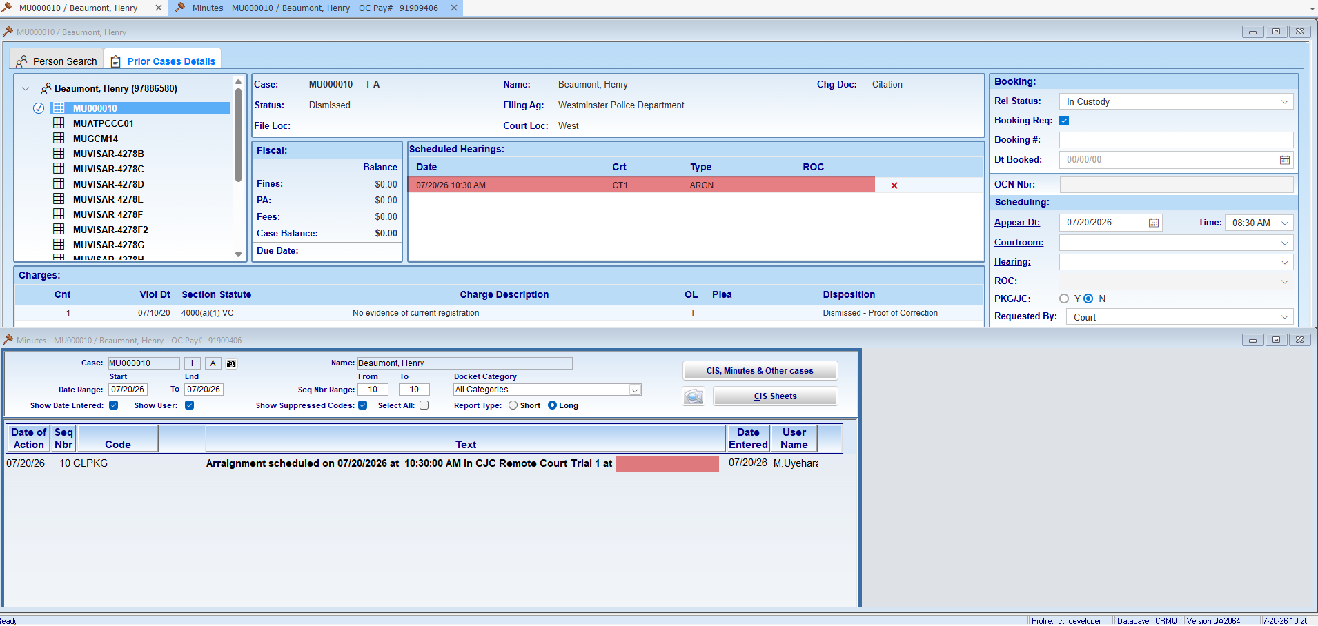

42
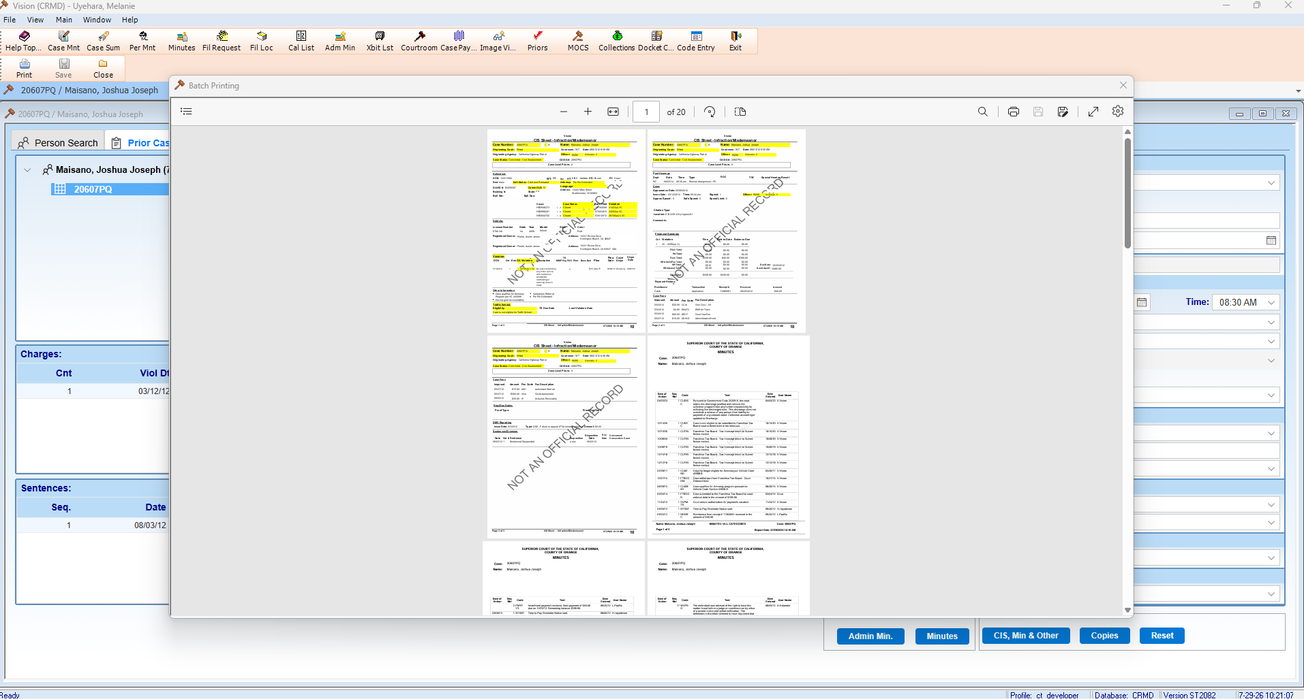

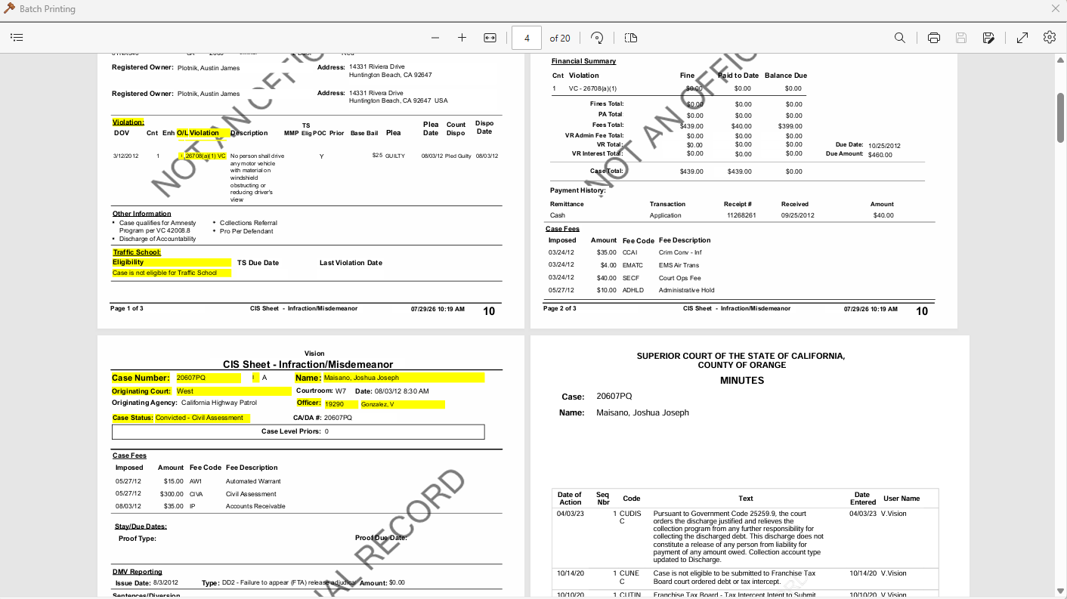

44
QA CYCLE 2
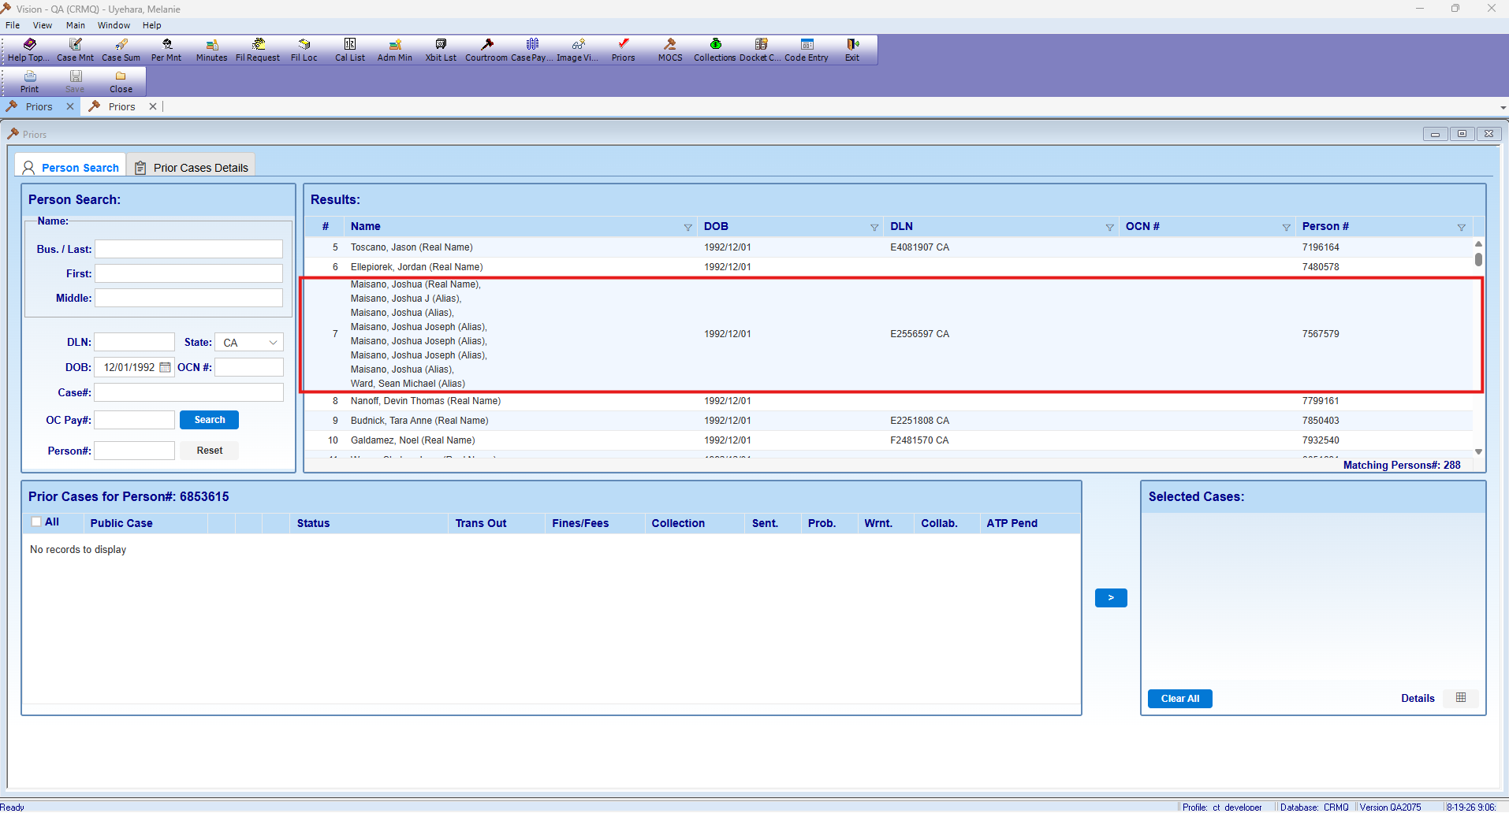

QA CYCLE 1

46
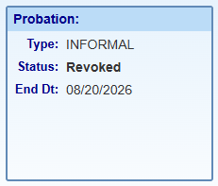
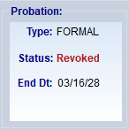
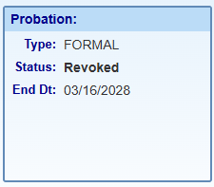
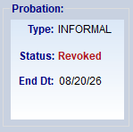
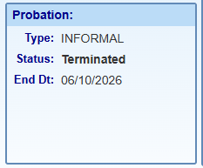
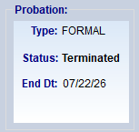
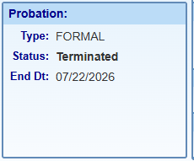
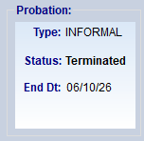
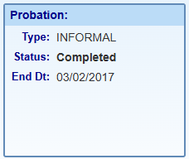
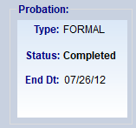
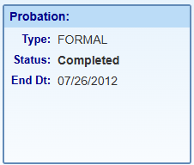
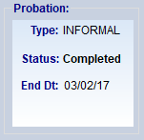
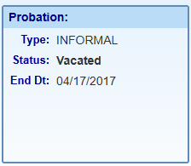
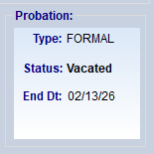
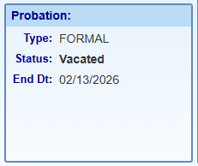
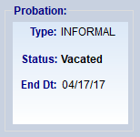
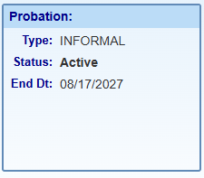
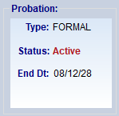
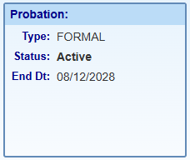
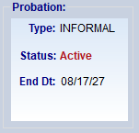
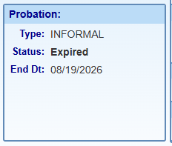
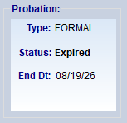
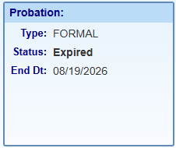
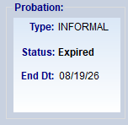
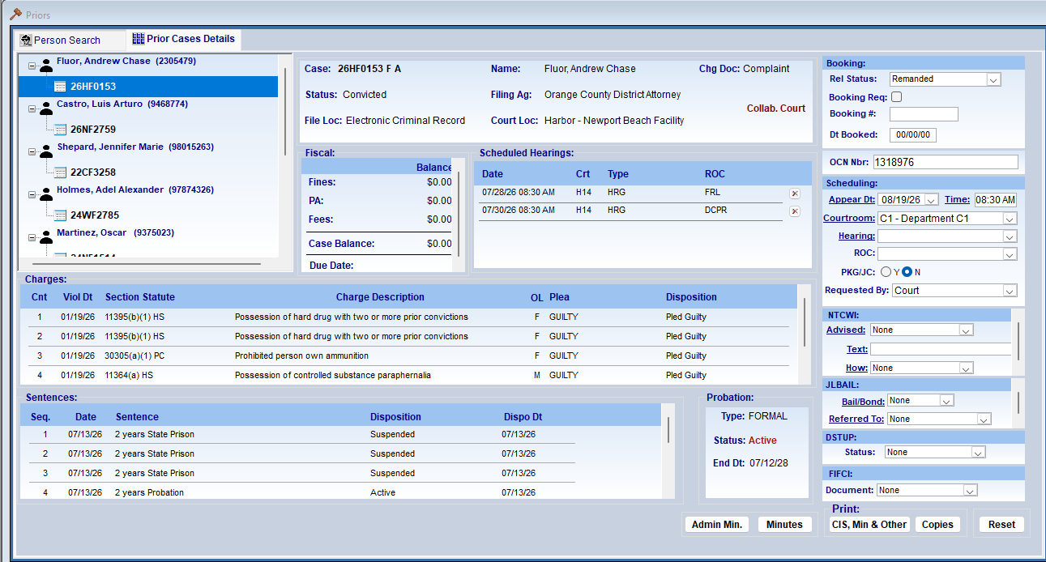






 |  | INFORMAL 100569 | person_nbr | FORMAL 100568 | person_nbr
ACTIVE | 15828 | 26NF0928 | 8928307 | 26HF0153 | 2305479
REACTIVATED | 15829 | 19NM06987 | 98015544 | 26NF2759 | 9468774
REVOKED | 15830 | 25WM06366 | 3102042 | 22CF3258 | 98015263
TERMINATED | 15831 | 26NM03209 | 98014189 | 24WF2785 | 97874326
COMPLETED | 110639 | 13NM04838 | 9010579 | 09WF1438 | 8091552



VACATED | 110736 | 14WM00617 | 9144583 | 25HF1151 | 7621305

ACTIVE | 111189 | MUCLF01 | 97884355 | CC26NF2231 | 9688626
EXPIRED | 118726 | 24NF0327 | 2309714 | 23HF0447 | 5682955

54































